Front sheet
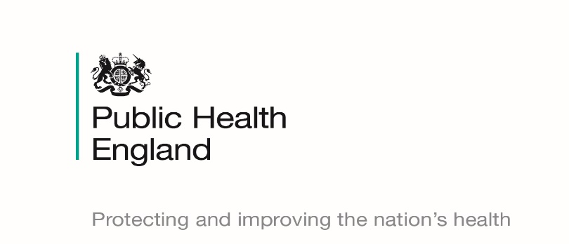
Official Statistics
Breastfeeding prevalence at 6-8 weeks
after birth (Experimental Statistics)
Quarter 4 2018/19 Statistical Release (July 2019)
© Crown Copyright 2019 You may re-use this information (excluding logos) free of charge in any format or medium, under the terms of the Open Government Licence v3.0. To view this licence, visit https://www.nationalarchives.gov.uk/doc/open-government-licence/version/3/ or email psi@nationalarchives.gsi.gov.uk. Where we have identified any third party copyright information you will need to obtain permission from the copyright holders concerned.

Contents


Contents

Front sheet
Contents
Summary of results
Headline statistics
Quarter 1 2018/19
Quarter 2 2018/19
Quarter 3 2018/19
Quarter 4 2018/19
Definitions
Validation rules
Contacts and further information

Summary of results
Summary of results
Breastfeeding prevalence at 6-8 weeks after birth (Experimental Statistics)
Quarter 4 2018/19
(July 2019 release)
Background
The breastfeeding information within this publication has been obtained via a new interim reporting system to collect health visiting activity at a local authority resident level. Quarter 1 of 2015-16 was the first reporting period and the reporting by local authorities to Public Health England is voluntary.
Caution should be exercised when interpreting these figures as it is a new data collection and there is not full coverage. Any figures shown at a PHE Centre or England level are based on an aggregate total of local authorities within those areas who supplied data items which complied with national validation criteria for the breastfeeding indicator.
The statistics produced are still experimental and undergoing evaluation and development. Therefore they are subject to modifications in future releases.
Summary of Quarter 4 2018/19
Of 150 reporting local authorities (Hackney & City of London and Cornwall & Isles of Scilly report jointly), 144 submitted a return for the interim reporting collection for Quarter 4 2018/19.
4 of the 144 submissions failed stage 1 validation (failing to provide either the number of infants due a 6-8 week review or the number of infants being totally or partially breastfed). The aggregated totals for each PHE centre and the England value is therefore based on submissions from 140 reporting local authorities.
Breastfeeding rates at a PHE centre level can be published for 3 PHE Centres: North East, East Midlands, and East of England. The others cannot be published as they fail to meet the validation at stage 3 (known breastfeeding status for infants age 6-8 weeks does not meet the 95% quality standard - please refer to 'Validation Rules' for more information).
An aggregate England value can be published based on the 140 submissions passing stage 1 validation, due to the England threshold being lower at 85%.
The aggregate breastfeeding rate for Quarter 4 for England based on 140 reporting local authorities is 47.3% (with confidence intervals of 47.1 – 47.6%).
This is higher than the aggregate breastfeeding rate of 42.4% for Quarter 4 2017/18, based on the final figures published in October 2018.
Full information (percentages and confidence intervals) can only be published for 68 reporting local authorities as 3 areas failed validation checks at stage 2 (children due 6-8 week reviews not within 20% of the resident population of babies aged 0) and 69 failed validation checks at stage 3 (breastfeeding status not known for 95% of infants due 6-8 week reviews - please refer to 'Validation rules' for more information).

Note: This publication should be read in conjunction with the Statistical Commentary
https://www.gov.uk/government/statistics/breastfeeding-at-6-to-8-weeks-after-birth-2018-to-2019-quarterly-data

Validation rules
Validation rules
Local authorities submitting a nil return will be classed as a non-submission.
Submissions go through a number of validation stages:
Each area has to pass all 3 stages in order for its values to be shown.

