Front sheet
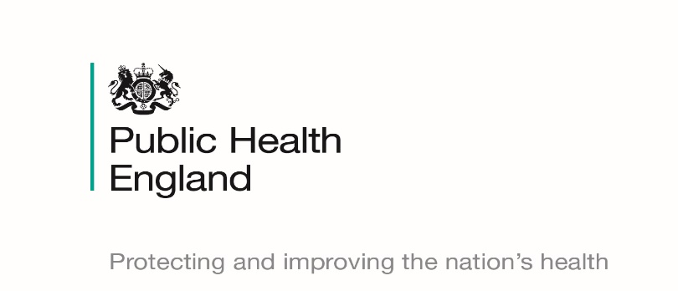
Official Statistics
Health Visitor Service Delivery Metrics
(Experimental Statistics)
Quarter 4 2018/19 Statistical Release
(July 2019)
© Crown Copyright 2019 You may re-use this information (excluding logos) free of charge in any format or medium, under the terms of the Open Government Licence v3.0. To view this licence, visit https://www.nationalarchives.gov.uk/doc/open-government-licence/version/3/ or email psi@nationalarchives.gsi.gov.uk. Where we have identified any third party copyright information you will need to obtain permission from the copyright holders concerned.

Contents


Contents

Front sheet
Contents
Summary of results
Headline statistics
Quarter 1 2018/19
Quarter 2 2018/19
Quarter 3 2018/19
Quarter 4 2018/19
Definitions
Validation rules
Contacts and further information

Validation Rules
Validation rules
Local authorities submitting a nil return will be classed as a non-submission.
Submissions go through a number of validation stages:
Each local authority has to pass both stages 1 and 2 in order for its values to be shown.
In order to be included in the aggregated totals for each PHE Centre and the aggregated England total, local authorities only have to pass stage 1 of the validation as the PHE Centres and England have to pass their own validation.

